Sheet1
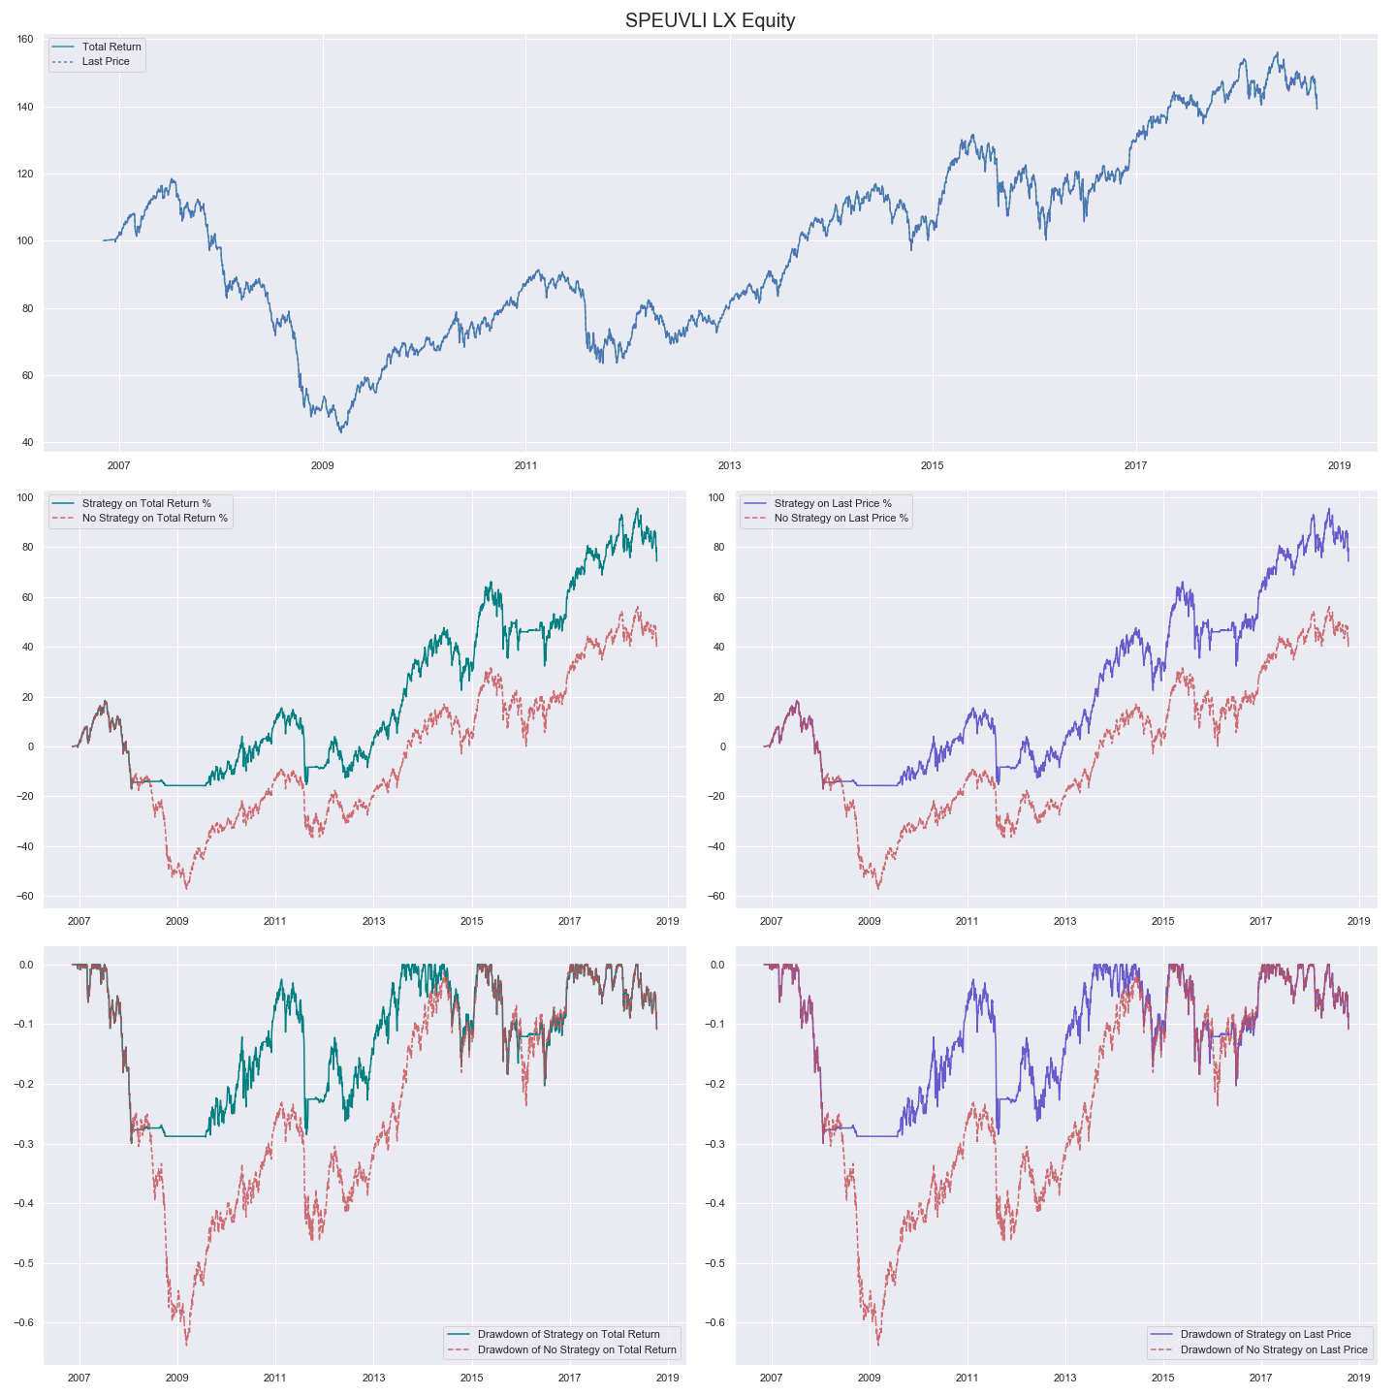
Insert an image in a cell:

Insert an image with an offset:

Insert a scaled image:

